TRS Wire
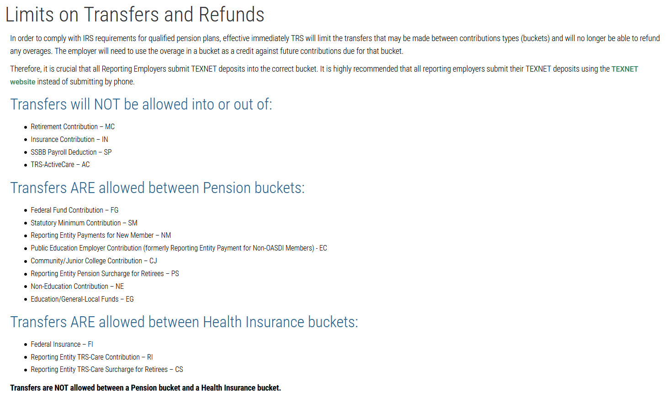
TRS Wire

Month:

Check #:

 |  | Health Insurance due by 15th of Month | Retirement Payment due by 6th of following Month | TRS Portal Overage1 (enter as a positive) | Wire Amount
Member Contribution (TRS 1 or 4) | x63-00-2155-00-000-?00000
Member TRS Care Contribution Amount (374) | x63-00-2155-00-000-?00000
TRS 3 - Federal Fund/Private Grant (TRS 2 or 3) | x63-00-2155-01-000-?00000
TRS 373 - Salaries Above Statutory Minimum (TRS 372/373) | x63-00-2155-02-000-?00000
TRS 489 - TRS Federal Grant TRS-Care (TRS 488/489) | x63-00-2155-03-000-?00000
TRS Active Care FC - Billed | x63-00-2153-00-???-?00000
TRS AC 1-HD- Billed Amount | x63-00-2153-00-???-?00000
TRS Active Care AC 2-Billed | x63-00-2153-00-???-?00000
TRS Active Care Select-Billed | x63-00-2153-00-???-?00000
TRS Employer TRS Care (TRS 374) | x63-00-2155-04-000-?00000
Reporting Entity Payments for New Members | x63-00-2155-05-000-?00000
TRS Pension Surcharge | x63-00-2155-06-000-?000000
TRS Care Surcharge | x63-00-2155-07-000-?00000
Reporting Entity Public Education Employer Contribution (Previously Non-OASDI) | x63-00-2155-08-000-?00000
Penalty Interest

 |  |  | Total TRS Wire Amount |  | 0.00

1TRS Limits on Transfers and Refunds:
https://www.trs.texas.gov/Pages/re_limit_transfers_refunds.aspx

