Health Insurance
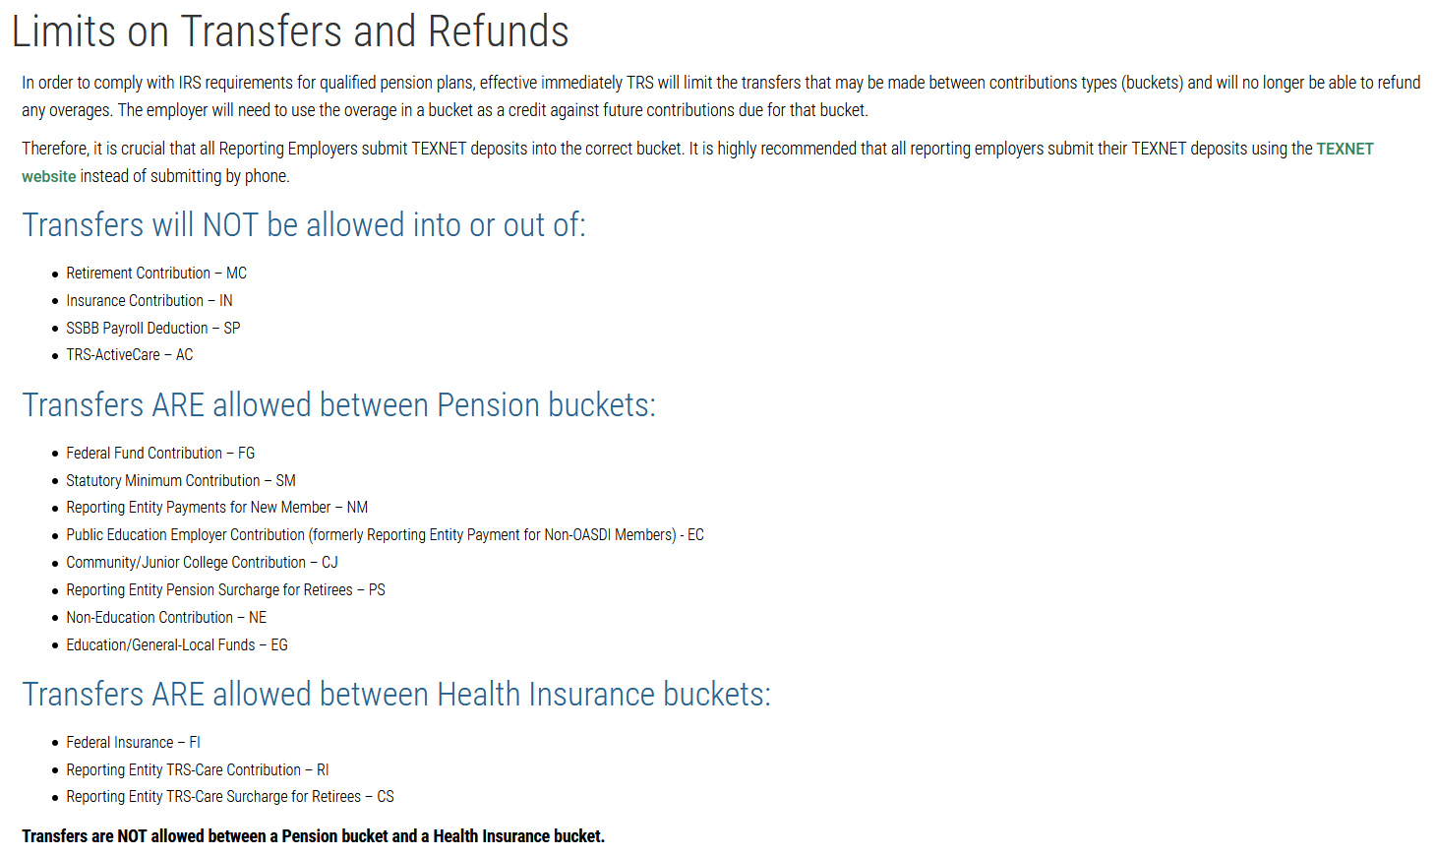
Health Insurance Transfer
Payroll Month:

Instructions: Sample account codes and deduction codeshave been entered. Enter your district's codes to personalize the spreadsheet. Save those changes. Each month, enter amounts from the Active Care Bill for each insurance type. Total will automatically compute and should match your bill. Send this amount by TexNet, then enter a Transfer Transaction in TxEIS to book the wire transfer.

Account Code | Deduction Code | Insurance Description | Bill Amount
X63-00-2153-00-020-X00000 | 020 | ActiveCare 1HD | $300.00
X63-00-2153-00-021-X00000 | 021 | ActiveCare 2 | $1,500.00
X63-00-2153-00-022-X00000 | 022 | ActiveCare Select | $5,000.00
X63-00-2153-00-023-X00000 | 023 | First Care | $5,500.00

 |  | Less TRS Portal Overage:1

Ck # | Total Health Insurance Bill: |  | $12,300.00

1TRS Limits on Transfers and Refunds:
https://www.trs.texas.gov/Pages/re_limit_transfers_refunds.aspx

